EN 04001
University | Ecole Centrale de Lyon |  |  |  | Back to BOM |  |  |  | Car # | 81 |  | Part Cost | $7.64
System | Engine & Drivetrain |  | FileLink1 |  |  |  |  |  |  |  |  | Qty | 1
Assembly | Fuel System |  | FileLink2 |  |  |  |  |  | FileLink1
Part | Fuel Rail |  | FileLink3 |  |  |  |  |  | FileLink2 |  |  | Extended Cost | $7.64
P/N Base | EN 04001 |  |  |  |  |  |  |  | FileLink3
Suffix | AA
Details

ItemOrder | Material | Use | UnitCost | Size1 | Unit1 | Size2 | Unit2 | Area Name | Area | Length | Density | Quantity | Sub Total
10 | Steel, Mild | Main + injectors tube material | $2.25 | 0.161 | kg |  |  | Round tube 16mm x 3mm | 6.83E-05 | 0.300 | 7850 | 1 | $0.36
20 | Steel, Mild | Fitting tabs material | $2.25 | 0.047 | kg |  |  | Rectangular area 100mm x 30mm | 3.00E-03 | 0.002 | 7850 | 1 | $0.11
 |  |  |  |  |  |  |  |  |  |  |  | Sub Total | $0.47
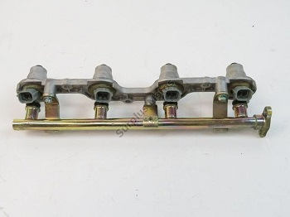
ItemOrder | Process | Use | UnitCost | Unit | Quantity | Multiplier | Mult. Val. | Sub Total
10 | Tube cut | Main + injectors tube cut | $0.15 | cm | 5 |  |  | $0.75
20 | Machining Setup, Install and Remove | Setup and remove for tube machining | $1.30 | Unit | 1 |  |  | $1.30
30 | Threading, External (machining) | Tube end threading for Banjo nut | $0.10 | cm | 1.5 | Material- Steel | 3 | $0.45
40 | Laser cut |  | $0.01 | cm | 18 | Material- Steel | 3 | $0.54
50 | Weld | Weld main tube + tabs | $0.15 | cm | 12 |  |  | $1.80
 |  |  |  |  |  |  | Sub Total | $4.84

ItemOrder | Tooling | Use | UnitCost | Unit | Quantity | PVF | FracIncld | Sub Total
10 | Welds - Welding Fixture | Weld main tube + tabs | $500.00 | point | 14 | 3000 | 1 | $2.33
 |  |  |  |  |  |  | Sub Total | $2.33

EN 04003 Drawing
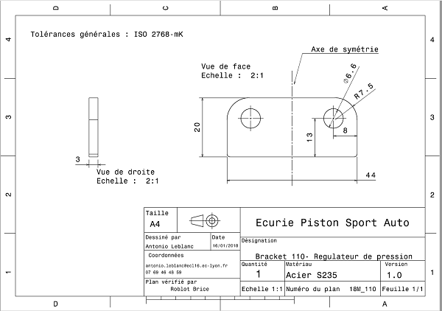
EN 04003

EN 04004 Drawing
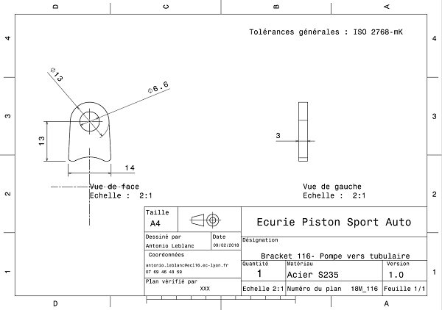
EN 04004

